EVD_Add
Test Case ID
Test Case Summary | Edit Customer, Supplier, Asset

Step # | Test Evidence | Re-Test Evidence (if found Bug/Issue)
1.1
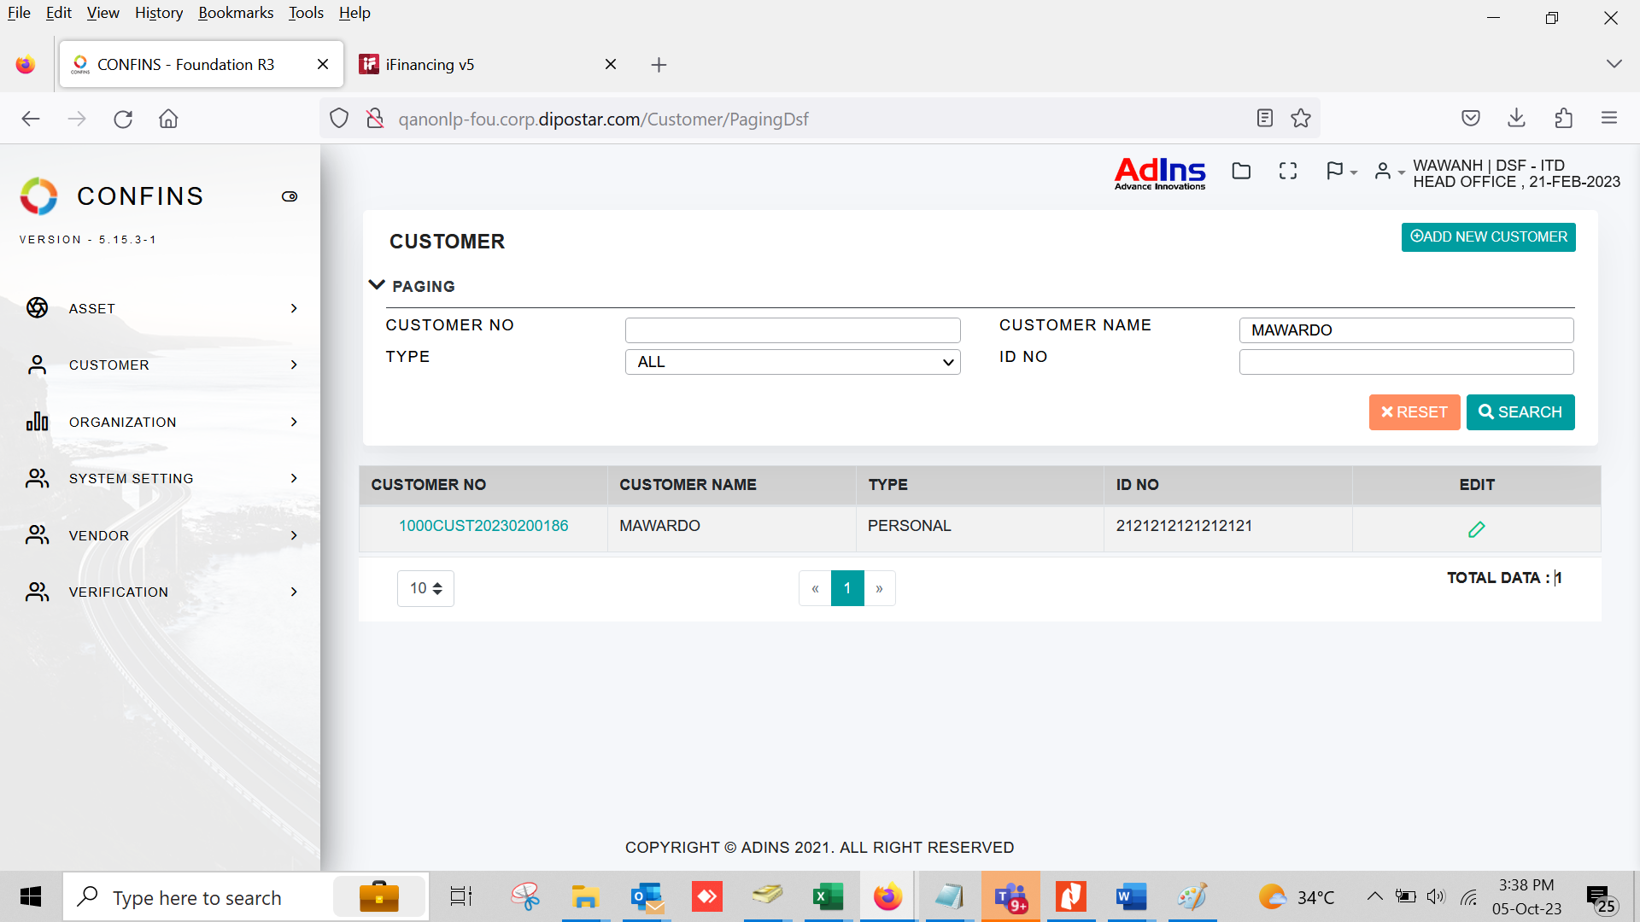

1.2

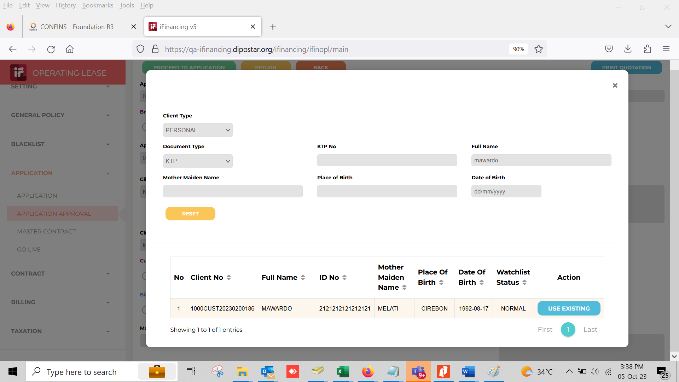
1,3

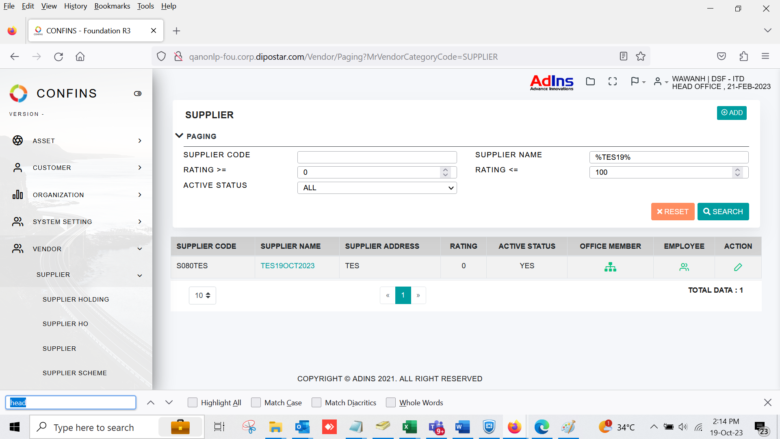
2.1

2.2

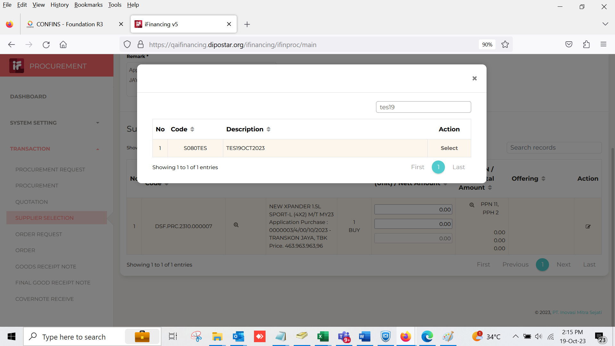
2.3

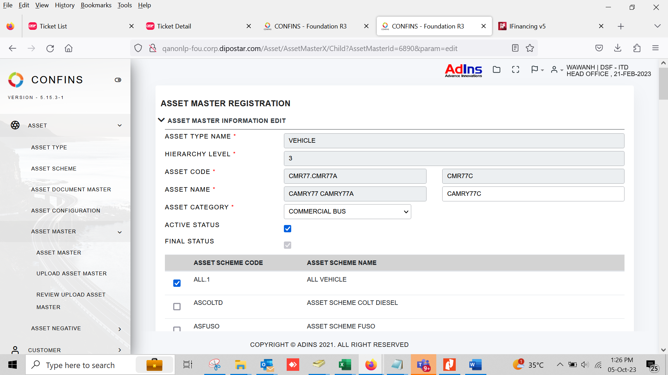
3.1
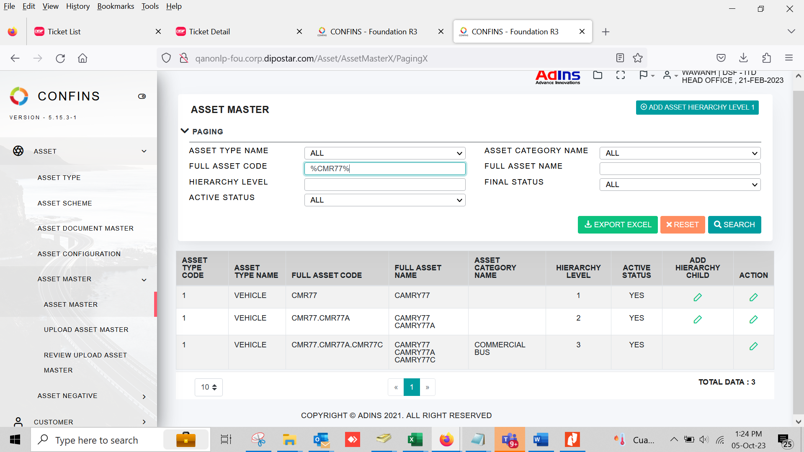

3.2

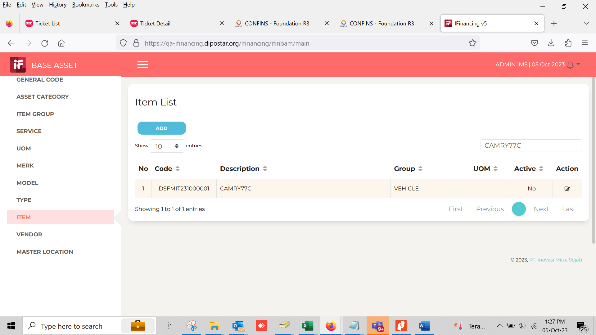
3.3
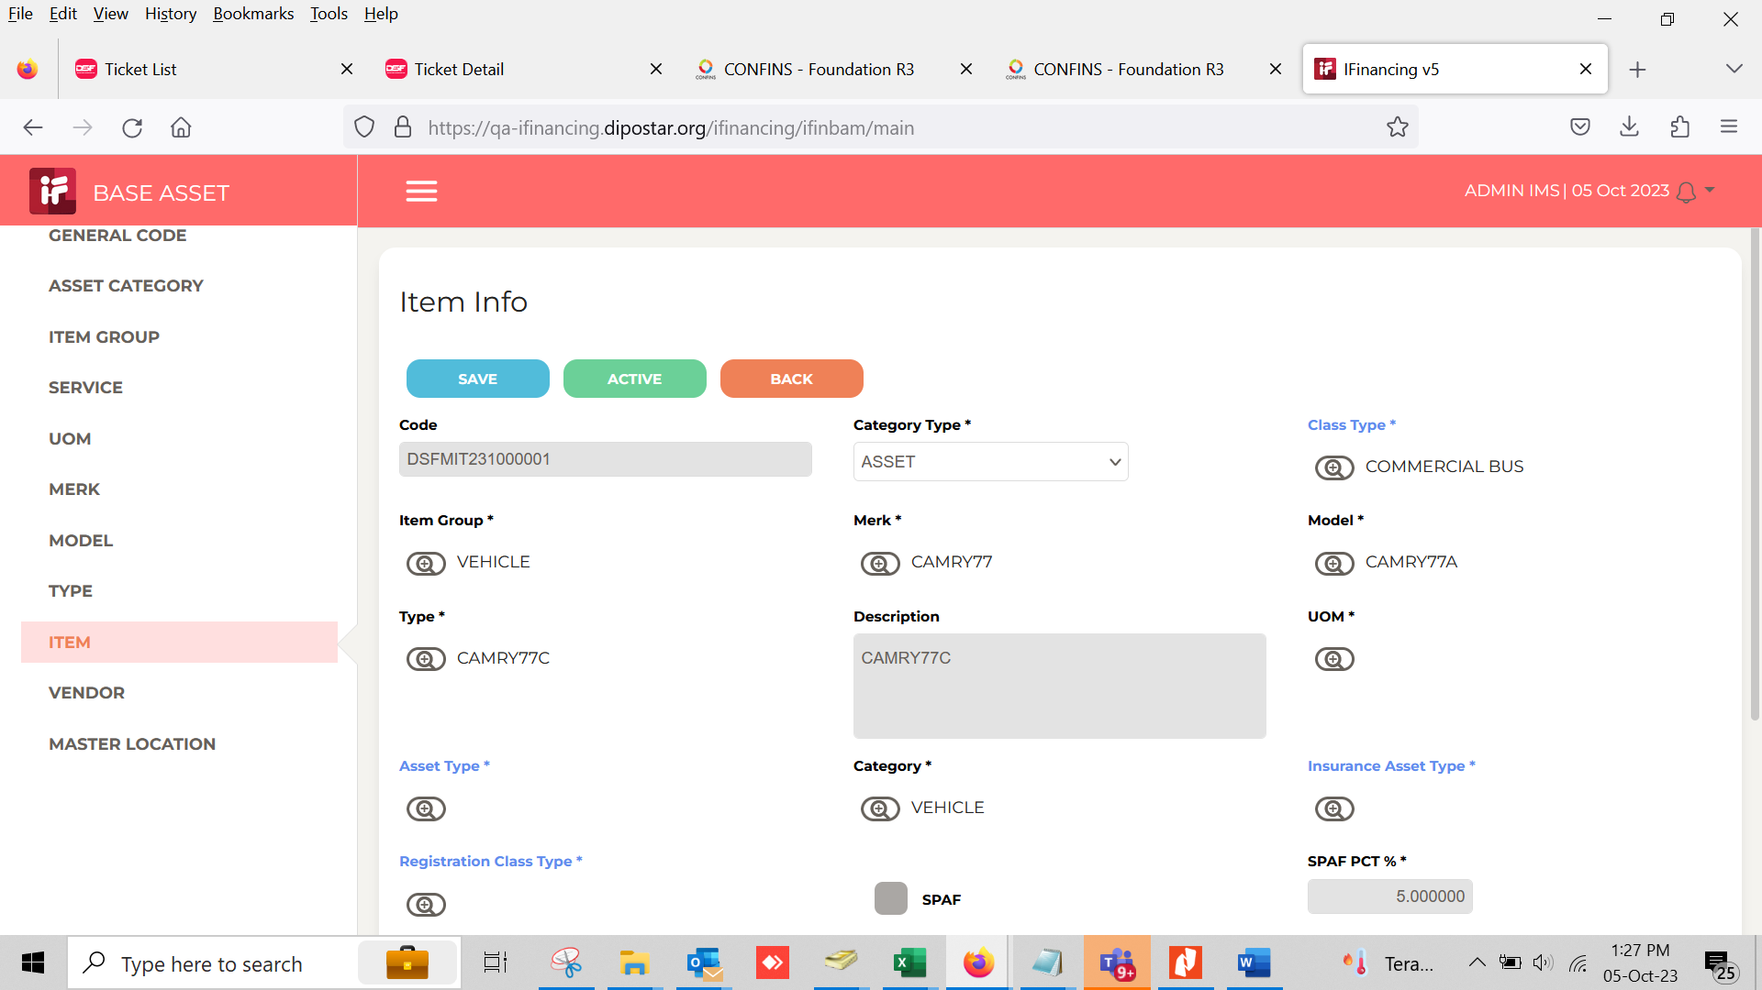

6.2

7.1

7.2

8.1

8.2

9.1

10.1

11.1

11.2

12.1

13.1

14.1

